Inspection Plan
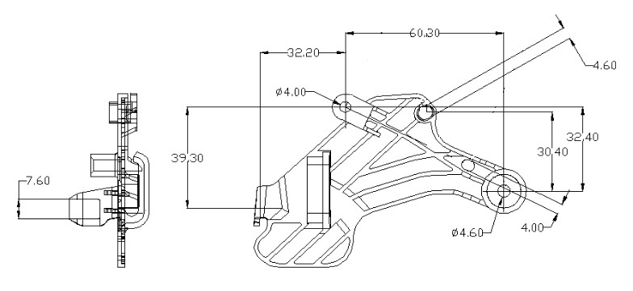
Customer Part No. |  |  | Ex: KL116577-5320 |  |  |  | Part Name |  |  |  |  |  |  |  | Autoplast part no. |  |  |  |  |  |  |  | Auto complete part name, Autoplast part number, drawing number, dwg rev, no., tool no. if part number entered vice versa
 |  |  |  |  |  |  |  |  |  | Auto complete |  |  |  |  |  |  | Auto Complete
Drawing number |  |  |  |  |  |  | Drawing Rev. no. |  |  |  |  |  |  |  | Tool Number
 |  |  | entry |  |  |  |  |  |  |  | entry |  |  |  |  |  | drop down/ entry?
Part Image |  |  |  |  | Document Number |  |  |  |  | IS-"Customer Code"- Tool No. |  |  |  |  | Revision No. |  |  | Default |  |  |  |  | Doc. No. Auto Generate
 |  |  |  |  |  |  |  |  |  | Default
 |  |  |  |  |  |  |  |  |  |  |  |  |  |  | Revision Date |  |  | Default
 |  |  |  |  |  |  |  |  |  |  |  |  |  |  |  |  |  |  |  |  |  |  |  |  | Hint: If intrument in checking method is not capable of measuring (1/10th rule)
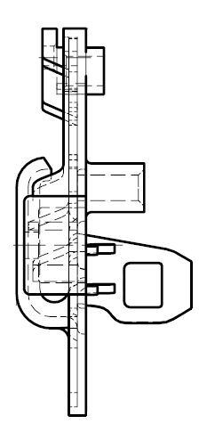
18
 |  |  |  |  |  |  |  |  |  |  |  |  |  |  |  |  |  |  |  |  |  | Not to scale. All dimensions are in mm unless otherwise specified.
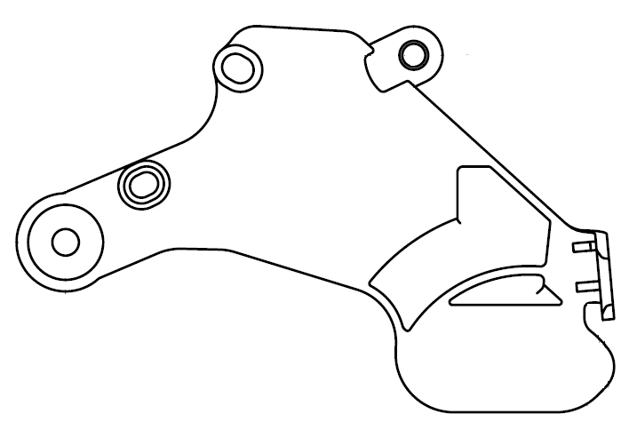
31
4.60
4.00

41
46
4.00
32.40
1 input image: format JPG, & others
2. Adjust image to size: zoom & position as in Whatsapp photos
3. Position indicator shaded ring
Ex. Pos. 8 (Fill Yellow, no line, transparent 50%, circle dia change should be possible, length & width should be = ie, no ovality)
4. Note: default but provision for editing
point #1,2 applicable for part image

7.60
8
47
4.60

Visual Characteristics |  |  |  |  |  |  |  |  |  |  |  | FPA | Resp. | LPA | Resp. | In-process |  |  | Resp.
 |  |  |  |  |  |  |  |  |  |  |  |  |  |  |  | Shots | Freq:hrs
Click here for link?(sentence to be improved) |  |  |  |  |  |  |  |  |  |  |  | 1 shot |  | 1 shots |  | 2 | 1

Sl. No. | Pos. No. | Characteristics |  | Specification |  |  |  |  | SC/CC/kpc/★ | Checking Method |  | FPA | Resp. | LPA | Resp. | In-process |  |  | Resp. |  | Pos. No. Indication |  |  |  | Check for validation : compulsory mention of freq. if shots is input, also resp. NA
 |  |  |  | LSL |  | USL |  |  |  |  |  |  |  |  |  | Shots | Freq:hrs |  |  |  |  |  |  | Ex. If In-process not required don’t show in entry screen
1 | 8 | Width |  | 7.40 |  | 7.80 |  |  | - | Vernier Caliper |  | 1 shots |  | 1 shots |  | - | - |  | NA

2 | 18 | Diameter |  | 3.90 |  | 4.00 |  |  | - | Pin Gauge |  | 1 shots |  | 1 shots |  | 1 | 2

3 | 31 | Width |  | 4.60 |  | 4.70 |  |  | - | Pin Gauge |  | 1 shots |  | 1 shots |  | - | -

4 | 41 | Distance |  | 32.20 |  | 32.60 |  |  | - | VMS |  | 1 shots |  | 1 shots |  | 1 | 4

5 | 46 | Width |  | 4.00 |  | 4.10 |  |  | - | Pin Gauge |  | 2 shots |  | 1 shots |  | 1 | 1

6 | 47 | Diameter |  | 4.40 |  | 4.80 |  |  |  | Pin Gauge |  | 3 shots |  | 1 shots |  | 1 | 4

Auto | num only txt | drop down |  | num only txt |  | num only txt |  |  | drop down | drop down |  | num, text | drop down | num, text | drop down | num, text | num, text |  | drop down |  | create Layer for every pos. no., call in standard

 |  | Master entry |  | decimal as per instrument, master entry of instrument : least count |  |  |  |  | master entry | master entry |  | "shots" as in "days": payment | master entry, designation |  | master entry, designation |  |  |  | master entry, designation

 |  |  |  |  |  |  |  |  |  |  |  | Refer FPA, LPA In-process for frequency of program calling ie, input screen

 |  |  |  |  | Save |  |  | Authorise |  |  | edit |  |  |  |  |  |  |  |  | Format No.in entry screen

Inspection Rec. Ex. FPA
AUTOPLAST |  |  |  | INSPECTION STANDARD |  |  |  |  |  |  |  |  |  |  |  |  |  |  | Document Number |  |  |  |  | IS--312

Customer Part No. |  |  | KL116577-5320 |  |  |  |  |  |  | Tool No. |  |  |  |  |  |  |  |  | Rev. No. |  |  |  |  | 0
Part Name |  |  | PLATE 640A-5320 |  |  |  |  |  |  | 312 |  |  |  |  |  |  |  |  | Rev. Date |  |  |  |  | 16.03.2016
 |  |  |  |  |  |  |  |  |  |  |  |  |  |  |  |  |  |  | Autoplast Part No. |  |  |  |  | 1210100301
Dwg. No. / Rev. No. |  |  | KL116577-5320 / 1 |  |  |  |  |  |  |  |  |  |  |  |  |  |  |  | Page |  |  |  |  | 1 of 1
18
 |  |  |  |  |  |  |  |  |  |  |  |  |  |  |  |  |  |  |  |  |  |  |  |  | Not to scale. All dimensions are in mm unless otherwise specified.
31
4.60
4.00

41
46
4.00
32.40
icon based start
Seperate user based access
Barcode based part, event identification
How to identify event?
1. Link i
How to identify part
1. Link i actual

7.60
8
47
4.60

Visual Characteristics |  |  |  |  |  |  |  |  |  |  | FPA

Click here for link?(sentence to be improved) |  |  |  |  |  |  |  |  |  |  | 1 shot
 |  |  |  |  |  |  |  |  |  |  |  |  |  |  |  |  |  |  |  |  |  |  |  |  |  | below cell for ref. only
Sl. No. | Pos. No. | Characteristics |  | Specification |  |  | SC/CC/kpc/★ |  | Checking Method |  | FPA |  |  |  |  |  |  |  |  |  |  |  | Judgement |  |  | FPA | Mention event: FPA / LPA / In-process
 |  |  |  | LSL | USL |  |  |  |  |  | C1 | C1 | C1 | C2 | C2 | C2 | C3 | C3 | C3 | C4 | C4 | C4 |  |  |  |  | Cavitation pulled from master
1 | 8 | Width |  | 7.40 | 7.80 |  | - |  | Vernier Caliper |  |  |  |  |  |  |  |  |  |  |  |  |  | Ok |  |  | 1 shots
1 Grey out/ block cavities as per standard set in inspection plan sheet
2. Add or remove cavities as per inspection plan (extend if reqd.)
colour grey lines within same cavity numbers cavity for identification
colour line on which we are.
3. Judge after number is entered
indicate in judgement
colour red in cav dim. value as well
no judgment if value not entered
4. validation not save without entry

2 | 18 | Diameter |  | 3.90 | 4.00 |  | - |  | Pin Gauge |  |  |  |  |  |  |  | 4.1 |  |  |  |  |  | Not Ok |  |  | 1 shots

3 | 31 | Width |  | 4.60 | 4.70 |  | - |  | Pin Gauge |  |  |  |  |  |  |  |  |  |  |  |  |  | Ok |  |  | 1 shots

4 | 41 | Distance |  | 32.20 | 32.60 |  | - |  | VMS |  |  |  |  |  |  |  |  |  |  |  |  |  | Ok |  |  | 1 shots

5 | 46 | Width |  | 4.00 | 4.10 |  | - |  | Pin Gauge |  |  |  |  |  |  |  |  |  |  |  |  |  | Ok |  |  | 2 shots

6 | 47 | Diameter |  | 4.40 | 4.80 |  |  |  | Pin Gauge |  |  |  |  |  |  |  |  |  |  |  |  |  | Ok |  |  | 3 shots

 |  |  |  |  |  |  |  |  |  |  |  |  |  |  |  |  |  |  |  |  |  |  | Judgement is auto validation

 |  |  |  |  |  | Save |  | Edit

Inspection Rec. Ex. In-process
AUTOPLAST |  |  |  | INSPECTION STANDARD |  |  |  |  |  |  |  |  |  |  |  |  |  |  | Document Number |  |  |  |  | IS--312

Customer Part No. |  |  | KL116577-5320 |  |  |  |  |  |  | Tool No. |  |  |  |  |  |  |  |  | Rev. No. |  |  |  |  | 0
Part Name |  |  | PLATE 640A-5320 |  |  |  |  |  |  | 312 |  |  |  |  |  |  |  |  | Rev. Date |  |  |  |  | 16.03.2016
 |  |  |  |  |  |  |  |  |  |  |  |  |  |  |  |  |  |  | Autoplast Part No. |  |  |  |  | 1210100301
Dwg. No. / Rev. No. |  |  | KL116577-5320 / 1 |  |  |  |  |  |  |  |  |  |  |  |  |  |  |  | Page |  |  |  |  | 1 of 1
18
 |  |  |  |  |  |  |  |  |  |  |  |  |  |  |  |  |  |  |  |  |  |  |  |  | Not to scale. All dimensions are in mm unless otherwise specified.
31
4.60
4.00

41
46
4.00
32.40
icon based start
Seperate user based access
Barcode based part, event identification
How to identify event?
1. Link i
How to identify part
1. Link i actual

7.60
8
47
4.60

Visual Characteristics |  |  |  |  |  |  |  |  |  |  | In-Process

Click here for link?(sentence to be improved) |  |  |  |  |  |  |  |  |  |  | 1 shot

Sl. No. | Pos. No. | Characteristics |  | Specification |  |  | SC/CC/kpc/★ |  | Checking Method |  | In-Process |  |  |  |  |  |  |  |  |  |  |  | Judgement |  |  | Mention event: FPA / LPA / In-process
 |  |  |  | LSL | USL |  |  |  |  |  | C1 | C1 | C1 | C2 | C2 | C2 | C3 | C3 | C3 | C4 | C4 | C4 |  |  |  | Cavitation pulled from master
1 | 8 | Width |  | 7.40 | 7.80 |  | - |  | Vernier Caliper |  |  |  |  |  |  |  |  |  |  |  |  |  | Ok
1 Grey out/ block cavities as per standard set in inspection plan sheet
2. Add or remove cavities as per inspection plan (extend if reqd.)
colour grey lines within same cavity numbers cavity for identification
colour line on which we are.
3. Judge after number is entered
indicate in judgement
colour red in cav dim. value as well
no judgment if value not entered
4. validation not save without entry

2 | 18 | Diameter |  | 3.90 | 4.00 |  | - |  | Pin Gauge |  |  |  |  |  |  |  | 4.1 |  |  |  |  |  | Not Ok

3 | 31 | Width |  | 4.60 | 4.70 |  | - |  | Pin Gauge |  |  |  |  |  |  |  |  |  |  |  |  |  | Ok

4 | 41 | Distance |  | 32.20 | 32.60 |  | - |  | VMS |  |  |  |  |  |  |  |  |  |  |  |  |  | Ok

5 | 46 | Width |  | 4.00 | 4.10 |  | - |  | Pin Gauge |  |  |  |  |  |  |  |  |  |  |  |  |  | Ok

6 | 47 | Diameter |  | 4.40 | 4.80 |  |  |  | Pin Gauge |  |  |  |  |  |  |  |  |  |  |  |  |  | Ok

 |  |  |  |  |  | Save |  | Edit

